Tracking Error Example 2
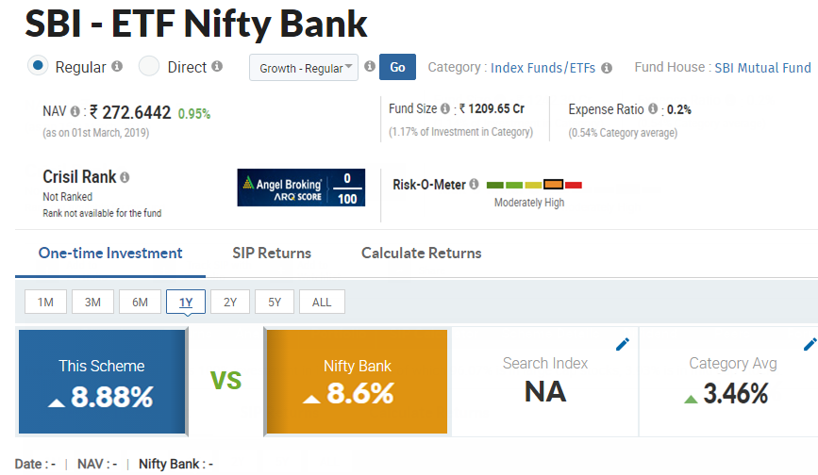
There is a mutual managed by a fund manager in SBI. The name of the fund in question is SBI- ETF Nifty Bank. This particular fund is constructed by taking the components of bank nifty closely in the proportion by which the banking stocks are in the bank nifty index.

Return from Mutual fund (Rp) | 8.9%
Return from Bank nifty index (Ri) | 8.6%

Tracking Error | 0.3%

