Example 1
Numbers | Date | Day Formatting
43323 | 11-08-2018 | Format Code | Description | Result
43245 | 25-05-2018 | d | Shows the Day without leading Zero | 9
43167 | 08-03-2018 | dd | Shows the Day with leading Zero | 09
43089 | 20-12-2017 | ddd | Shows the Day name with three letters | Mon
43011 | 03-10-2017 | dddd | Shows the Day with full name | Monday
42933 | 17-07-2017
42855 | 30-04-2017
 |  | Month Formatting
 |  | Format Code | Description | Result
 |  | M | Shows the Month without leading Zero | 5
 |  | MM | Shows the Month with leading Zero | 05
 |  | MMM | Shows the Month name with three letters | Jan
 |  | MMMM | Shows the Month with full name | January
 |  | MMMMm | Shows the Month with just a letter | J
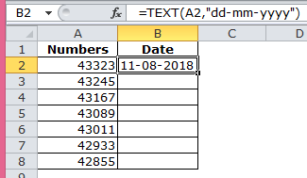
 |  | Year Formatting
 |  | Format Code | Description | Result
 |  | YY | Shows the Year with just two numbers | 18
 |  | YYYY | Shows the full Year | 2018
 |  | dd/mm/yyyy | Shows the date as Day-Month-Year | 15/10/2018
 |  | ddd mmm yyyy | Shows the date with names | Mon Oct 2018

Example 2
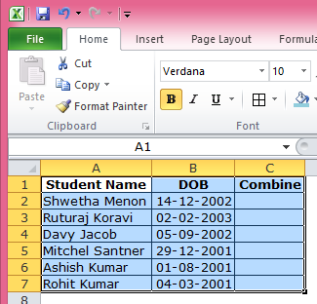
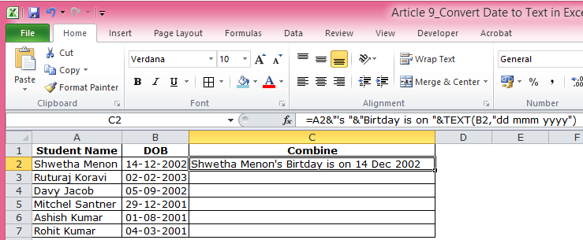
Student Name | DOB | Combine
Shwetha Menon | 2002-12-14 | Shwetha Menon's Birtday is on 14 Dec 2002
Ruturaj Koravi | 2003-02-02
Davy Jacob | 2002-09-05
Mitchel Santner | 2001-12-29
Ashish Kumar | 2001-08-01
Rohit Kumar | 2001-03-04

Example 3
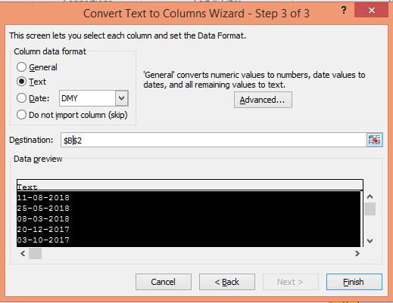
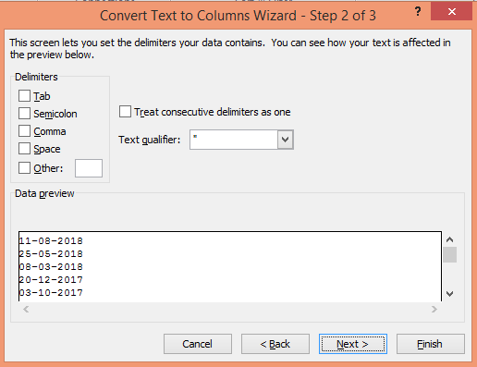
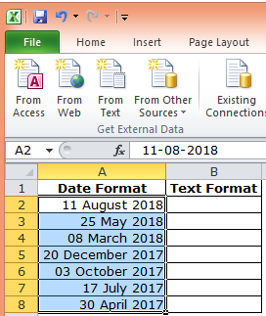
Date Format | Text Format
2018-08-11 | 8/11/2018
2018-05-25 | 5/25/2018
2018-03-08 | 3/8/2018
2017-12-20 | 12/20/2017
2017-10-03 | 10/3/2017
2017-07-17 | 7/17/2017
2017-04-30 | 4/30/2017

