Table vs Chart - Chart
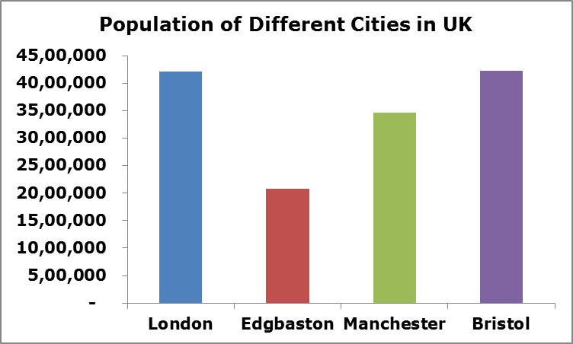
Year | Sales | City | Population
2015 | 9085 | London | 4,209,410
2016 | 3956 | Edgbaston | 2,085,716
Population of Different Cities in UK
2017 | 8840 | Manchester | 3,460,810
2018 | 1151 | Bristol | 4,230,051
 |  | London | 2,085,716
 |  | Edgbaston | 3,760,146
 |  | Manchester | 4,251,117
 |  | Bristol | 2,727,389
 |  | London | 3,035,695
 |  | Edgbaston | 4,077,113
 |  | Manchester | 4,209,410
 |  | Bristol | 3,905,570
 |  | London | 3,179,671
 |  | Edgbaston | 3,069,700
 |  | Manchester | 2,234,759
 |  | Bristol | 3,558,324

Bubble Chart Example 1
Project Region | Units Sold | Sales (USD) | Profitability %
Europe | 45 | 150,000 | 22.22%
Middle East | 42 | 110,000 | 33.00%
Africa | 60 | 80,637 | 15.20%
USA | 75 | 195,055 | 21.45%
Asia | 30 | 60,446 | 34.45%

Bubble Chart Example 2
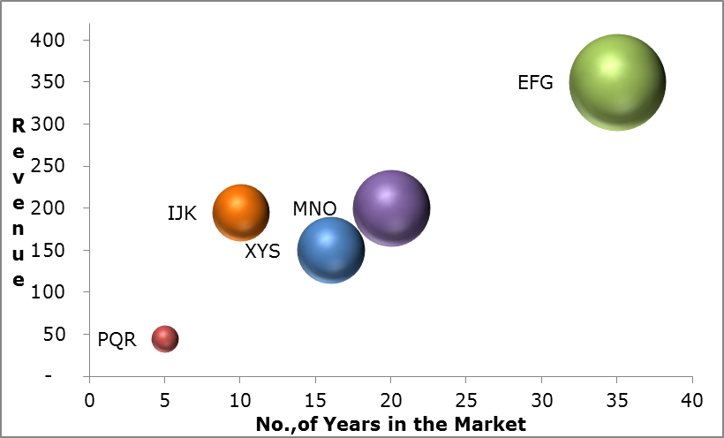
Company | No., of Years | Revenue | Market Value
XYS | 16 | 150 | 750
PQR | 5 | 45 | 120
EFG | 35 | 350 | 1,575
MNO | 20 | 200 | 988
IJK | 10 | 195 | 545

